README
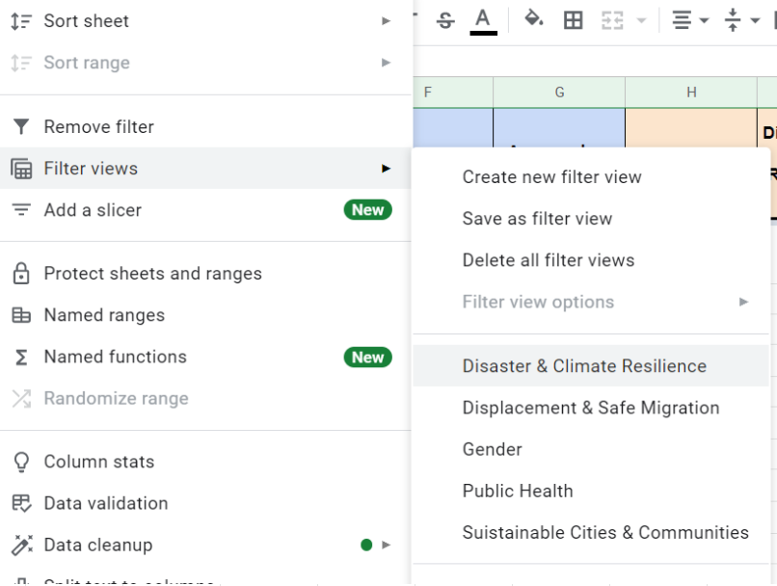
Tabs | Description | Filter views
Overview - all Tags | List of all the selected tags with columns for "metadata", category and relationship to impact areas, Humanitarian Clusters and disaster response. This list and the mapping can be reviewed based on feedback over time. The list is organized by thematic categories. Note you can filter by Impact Area using Filter View under the Data Menu (see screenshot to the right) | Gender Equality, Protection and Inclusion
 |  | Disasters & Climate Resilience
 |  | Public Health
 |  | Sustainable Cities & Communities
 |  | Displacement & Safe Migration
Base Tags | Tags that are most common to use in many features, such as: name, address, etc. This list is organized alphabelitally. These tags appear across all impact areas.
Data Model Sources | Mapping of the data models that were reviewed to select all the tags and their distribution withing the impact areas.
UNHCR temporal | Data-model filtered by project mirroring the Site Mapping Database from UNHCR

